Foglio1
EUROPEAN BATON TWIRLING CHAMPIONSHIP 2019
LIGNANO SABBIADORO (UD)-ITALY 17-21 APRIL 2019
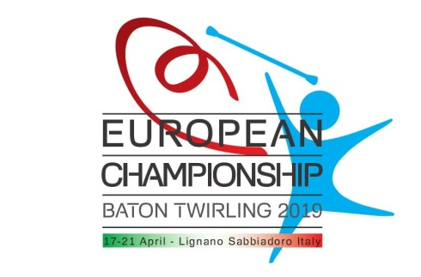
RESERVATION FORM

COUNTRY:

N. PAX STANDARD:
N. PAX 3/6 YEARS:
N. PAX 0/3 YEARS:

FROM: |  |  |  | TO:

PACKAGE A: | TABLE SERVICE | N.PAX |  | NIGHTS | ACCOUNT 20% | BALANCE
(+6 years)
SINGLE ROOM: |  | 0 | *€90,00 | 0 | 0 | 0
DOUBLE ROOM: | 0 | 0 | *€75,00 at person | 0 | 0 | 0
MULTIPLE BEDS: | 0 | 0 | *€65,00 at person | 0 | 0 | 0
(3/6 years)
DOUBLE ROOM: | 0 | 0 | *€60,00 at person | 0 | 0 | 0
MULTIPLE BEDS: | 0 | 0 | *€52,00 at person | 0 | 0 | 0
TOTAL |  | 0 |  |  | 0 | 0

PACKAGE B: | SELFSERVICE | N.PAX |  | NIGHTS | ACCOUNT 20% | BALANCE
(+6 years)
SINGLE ROOM: |  | 0 | *€85,00 | 0 | 0 | 0
DOUBLE ROOM: | 0 | 0 | *€70,00 at person | 0 | 0 | 0
MULTIPLE BEDS: | 0 | 0 | *€60,00 at person | 0 | 0 | 0
(3/6 years)
DOUBLE ROOM: | 0 | 0 | *€56,00 at person | 0 | 0 | 0
MULTIPLE BEDS: | 0 | 0 | *€48,00 at person | 0 | 0 | 0
TOTAL |  | 0 |  |  | 0 | 0

PACKAGE C: |  |  |  |  |  | TOTAL
DAILY FEE | for all people, free 0/3 years
2018-04-18 |  | 0 | *€5,00 |  |  | 0
2018-04-19 |  | 0 | *€5,00 |  |  | 0
2018-04-20 |  | 0 | *€5,00 |  |  | 0
2018-04-21 |  | 0 | *€5,00 |  |  | 0
ENTRY GYM | for spectators , free 0/3 years
1 DAY |  | 0 | *€25,00 |  |  | 0
2 DAYS |  | 0 | *€45,00 |  |  | 0
3 DAYS |  | 0 | *€65,00 |  |  | 0
4 DAYS |  | 0 | *€80,00 |  |  | 0
PARKING: |  |  |  | DAY
CAR |  | 0 | *€5,00 | 0 |  | 0
BUS |  | 0 | *€10,00 | 0 |  | 0

